Summery
E-COMMERCE CUSTOMER SEGMENTATION |  |  |  |  |  |  |  | 0

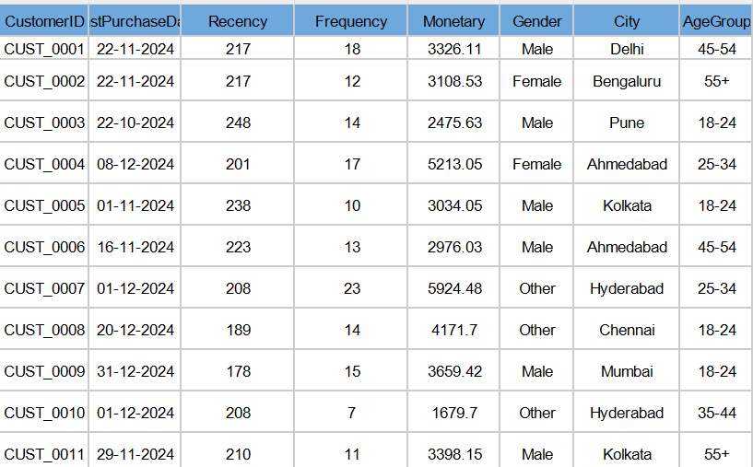
This is Data Set |  |  |  |  |  |  |  |  | 1 | Devide Age Group Data Into Teem,adult And Senior | done
 |  |  |  |  |  |  |  |  | 2 | Convet A pivort Table into city wise Gender Data | done
 |  |  |  |  |  |  | 1.Devide Age Group Data Into Teem,adult And Senior? |  | 3 | convert Data intp city Wise purches data | done
 |  |  |  |  |  |  |  |  | 4 | Spent Data Gender Data | done
 |  |  |  |  |  |  | Here i seperated with diffrent age agroup with adultrate like Tee,Adult, senoir by using IF OR funtion |  | 5 | product sale from City Wise | done
 |  |  |  |  |  |  |  |  | 6 | Gender Wise purchsed Data | done

 | City Wise Gender Data
 | City | Female | Male | Other | Grand Total
 | Ahmedabad | 43 | 42 | 48 | 133 |  | 2.Convet A pivort Table into city wise Gender Data?
 | Bengaluru | 48 | 35 | 45 | 128
 | Chennai | 51 | 40 | 44 | 135 |  | we can make a simple table. In this table, cities are listed on the left, and for each city, we show how many customers are male, how many are female, and how many are others. It’s like counting and grouping by city and gender.
 | Delhi | 35 | 45 | 40 | 120
 | Hyderabad | 40 | 40 | 46 | 126
 | Kolkata | 34 | 45 | 38 | 117
 | Mumbai | 46 | 35 | 36 | 117
 | Pune | 45 | 38 | 41 | 124
 | Grand Total | 342 | 320 | 338 | 1000

 |  | City Wise & Gender Spent Total Amount Data
 |  | City | Male | Female | Other
 |  | Delhi | 166766 | 130625 | 140439
 |  | Bengaluru | 137260 | 166085 | 156655 |  | 3.convert Data into city Wise purches data
 |  | Pune | 136051 | 158425 | 157496
 |  | Ahmedabad | 156446 | 161661 | 169853 |  | we group all customers by their City and add up their Monetary (purchase amount) values. This shows how much total money customers from each city have spent. It helps to understand which cities are spending more
 |  | Kolkata | 180310 | 130695 | 136650
 |  | Hyderabad | 152589 | 138819 | 167004
 |  | Chennai | 156831 | 188005 | 159301
 |  | Mumbai | 134266 | 171096 | 130564
 |  | Grand Total | 1220519 | 1245411 | 1217963

 |  | city wise product purchesed data
 |  | Producuct | Laptop | Medicine | Mobile | Earpods
 |  | Delhi | 50 | 22 | 22 | 26 | 4.city wise product purchesed data
 |  | Bengaluru | 38 | 28 | 32 | 30
 |  | Pune | 51 | 25 | 20 | 28 | Group data by city and count how many times each product was purchased. This shows which products are most popular in each city.
 |  | Ahmedabad | 55 | 28 | 32 | 18
 |  | Kolkata | 58 | 15 | 20 | 24
 |  | Hyderabad | 54 | 23 | 21 | 28
 |  | Chennai | 51 | 20 | 31 | 33
 |  | Mumbai | 38 | 25 | 37 | 17

 |  | Age group wise purchesd Data
 |  | Producuct | Laptop | Medicine | Mobile | Earpods | 5.Age group wise purchesd Data
 |  | Adult | 395 | 0 | 0 | 0
 |  | Senior | 0 | 186 | 0 | 0 | Group customers by age group and count their purchases. This shows how much each age group spends and which products are popular among them
 |  | Teen | 0 | 0 | 215 | 0
 |  | Youth | 0 | 0 | 0 | 204

